PROPERTIES
NAME | MLI_k_throught
Temperature [ºC] | keff [W/(m2K)]
-75 | 0.00393
-45 | 0.01040
14 | 0.01499
50 | 0.02289
70 | 0.03368

 |  | #

GLs
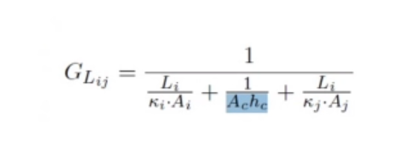

UDC | Source | Destination | Li [m] | ki [W/(mK)] | Ai [m^2] | Ac [m^2] | hc [W/(m^2K)] | kj [W/(mK)] | Aj [m^2] | GL [W/K]
IR_Tel_Lens_IR_Tel_Obj | IR_Tel_Lens | IR_Tel_Obj | 0.081 | 59 | 0.00020106192983 | 4.0212385966E-05 | 100 | 0.24 | 4.0212385966E-05 | 0.00011562773334
IR_Tel_Obj_IR_Tel_CCD | IR_Tel_Obj | CCD | 0.08 | 0.24 | 4.0212385966E-05 | 1.5393804003E-05 | 100 | 0.24 | 0.000015 | 3.2687573197E-05
IR_Tel_Obj_IR_Tel_STR | IR_Tel_Obj | IR_Tel_STR | 0.045 | 0.24 | 4.0212385966E-05 | 4.0212385966E-05 | 100 | 160 | 4.91E-05 | 0.00020336976998
IR_Tel_STR_Panel_inf | IR_Tel_STR | Panel_inf | 0.13 | 160 | 4.9087385212E-05 | 4.9087385212E-05 | 300 | 160 | 4.00E-03 | 0.011811765605
Panel_Plate_xy | Panel | Plate 1 | 0.1 | 160 | 0.00025 | 0.00025 | 300 | 160 | 4.00E-04 | 0.05748502994
Panel_Plate_yx | Panel | Plate 1 | 0.075 | 160 | 0.0003 | 0.0003 | 300 | 160 | 3.00E-04 | 0.070243902439
Panel_Plate2_xy | Panel | Plate 2 | 0.1 | 160 | 0.00025 | 0.00025 | 300 | 160 | 4.00E-04 | 0.05748502994
Panel_Plate2_yx | Panel | Plate 2 | 0.075 | 160 | 0.0003 | 0.0003 | 300 | 160 | 3.00E-04 | 0.070243902439
Plate_Panel_xy | Plate 1 | Panel | 0.1 | 160 | 0.0004 | 0.00025 | 300 | 160 | 2.50E-04 | 0.05748502994
Plate_Panel_yx | Plate 1 | Panel | 0.075 | 160 | 0.0003 | 0.0003 | 300 | 160 | 3.00E-04 | 0.070243902439
Plate2_Panel_xy | Plate 2 | Panel | 0.1 | 160 | 0.0004 | 0.00025 | 300 | 160 | 2.50E-04 | 0.05748502994
Plate2_Panel_yx | Plate 2 | Panel | 0.075 | 160 | 0.0003 | 0.0003 | 300 | 160 | 3.00E-04 | 0.070243902439 | 100 es muy alto
IR_Tel_STR_Panel_inf | IR_Tel_STR | Panel_inf | 0.13 | 160 | 4.9087385212E-05 | 4.9087385212E-05 | 300 | 160 | 0.004 | 0.011811765605

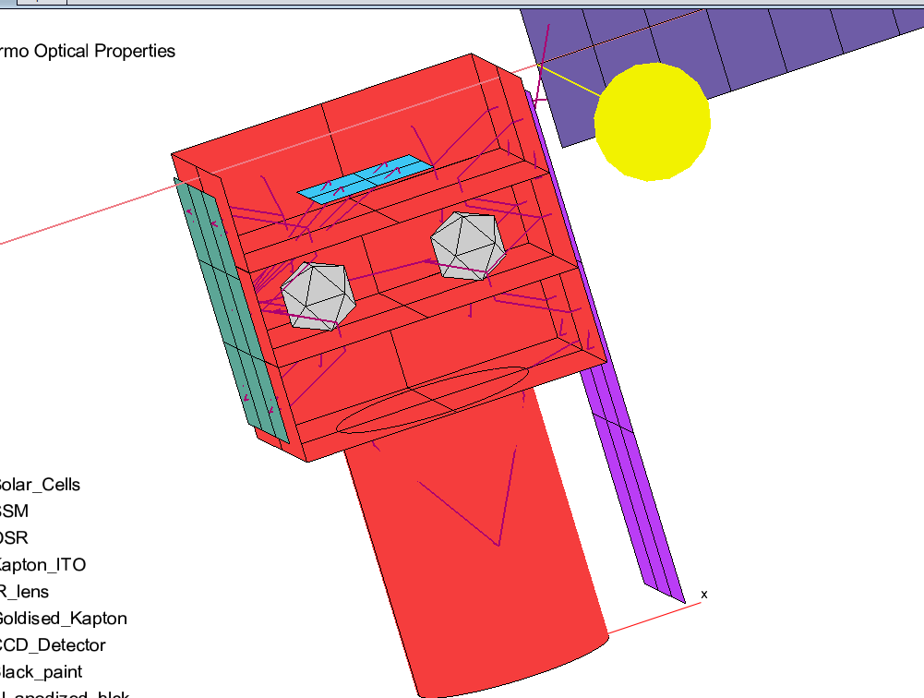
UDC | Source | Destination | k [W/(mK)] | Ac [m^2] | L [m] | GL [W/K] |  | STRAPS,HEAT PIPES
CCD_Rad | CCD | Rad_IR_Tel | 4500 | 0.0019635 | 0.21 | 42.07490 |  | GL = kAc/L
EBox_Rad | EBox | RAD_INS | 4500 | 0.0007069 | 0.19 | 16.74138
IR_Tel_Asmbly_Rad_side | IR_TEL_STR_2 | RAD_IR_TEL | 4500 | 0.0003142 | 0.35 | 4.03919 |  | Sources temp heat pipes
IR_Tel_Asmbly_Rad_ext | IR_TEL_STR | RAD_IR_TEL | 4500 | 0.0003142 | 0.16 | 8.83573 |  | https://sci-hub.st/https://link.springer.com/article/10.1007/s002310050097
IR_Tel_Asmbly_RAD_rad_in | IR_TEL_Obj | RAD_IR_TEL | 4500 | 0.0003142 | 0.05 | 28.27433 |  | http://www.thermalfluidscentral.org/encyclopedia/index.php/Heat_Pipe_Characteristics
Panel_STR_Rad | Panel | RAD_STR | 4500 | 0.0003142 | 0.385 | 3.67199
PLD1_RAD | PLD1 | RAD_INS | 4500 | 0.0003142 | 0.31 | 4.56038 |  | Sources straps
PLD2_RAD | PLD2 | RAD_INS | 4500 | 0.0003142 | 0.11 | 12.85197 |  | http://thermotive.com/thermalstraps.html
Panel_SolarPanel | Panel | Solar Panel | 160 | 0.0003142 | 0.05 | 1.00531
Rad_disk_V_Rad | Rad_disk | Rad_IR_Tel | 4500 | 0.0113097 | 0.04 | 1272.34502
RAD_STR_Support | Panel | RAD_STR | 0.24 | 0.0000031 | 0.01 | 0.00008
RAD_IR_Tel_Support | Panel | Rad_IR_TEL | 0.24 | 0.0000031 | 0.01 | 0.00008
RAD_Tel_Support | Panel | Rad_IR_Tel | 0.24 | 0.0000031 | 0.01 | 0.00008
RAD_Ins_Support | Panel | RAD_INS | 0.24 | 0.0000031 | 0.01 | 0.00008
 |  |  |  |  |  |  |  | FAKE CONTACT

UDC | Source | Destination | hc [W/(m^2K)] | Ac [m^2] | GL [W/K]
Plate2_PLD1 | Plate | PLD1 | 500 | 0.0032 | 1.6
Plate2_PLD2 | Plate | PLD2 | 500 | 0.0004 | 0.2

autogenerated --> TIPO CONTACT
hc=300 | EBox_Plate_bottom |  |  |  |  |  | Note that if im using config3 must define UDC for rad INS conn

 |  |  |  |  |  |  | Probar:
TIPO CONTACT ZONE |  |  |  |  |  |  | Espejo para mover CCD a cerca del radiador
hc=200

